CONTRIBUTORY FACTORS
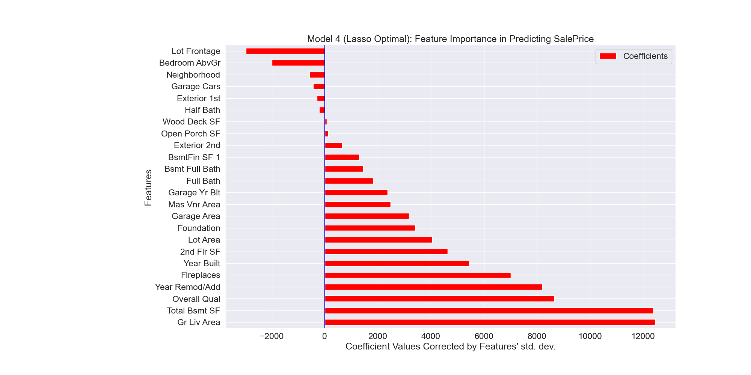
Features | Coefficients
Gr Liv Area | 12471
Total Bsmt SF | 12391
Overall Qual | 8656
Year Remod/Add | 8204
Fireplaces | 7011
Year Built | 5441
2nd Flr SF | 4637
Lot Area | 4052
Foundation | 3413
Garage Area | 3170
Mas Vnr Area | 2474
Garage Yr Blt | 2374
Full Bath | 1830
Bsmt Full Bath | 1448
BsmtFin SF 1 | 1302
Exterior 2nd | 656
Open Porch SF | 132
Wood Deck SF | 67
Half Bath | -207
Exterior 1st | -301
Garage Cars | -435
Neighborhood | -574
Bedroom AbvGr | -1988
Lot Frontage | -2978

